ASSETS CONFIGURE STEPS
Sr No |  | Asset Configuration Path | Screenshot
1 | Check Country-Specific Settings | SPRO-SAP Reference IMG-Financial Accounting-Asset Accounting-Organizational Structures-Check Country-Specific Settings

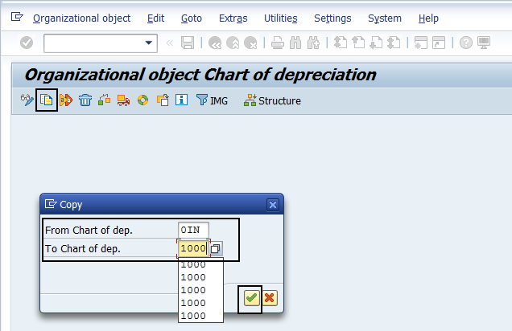
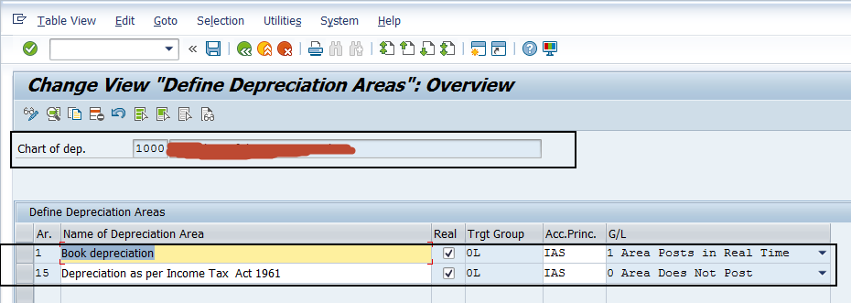
2 | Copy Reference Chart of Depreciation/Depreciation Areas | SPRO-SAP Reference IMG-Financial Accounting-Asset Accounting-Organizational Structures-Copy Reference Chart of Depreciation/Depreciation Areas

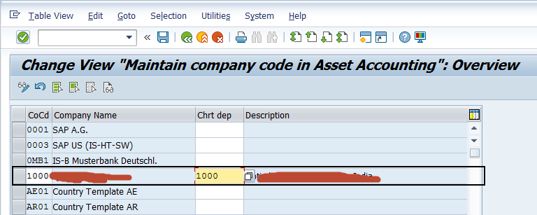
3 | Assign Chart of Depreciation to Company Code | SPRO-SAP Reference IMG-Financial Accounting-Asset Accounting-Organizational Structures-Assign Chart of Depreciation to Company Code

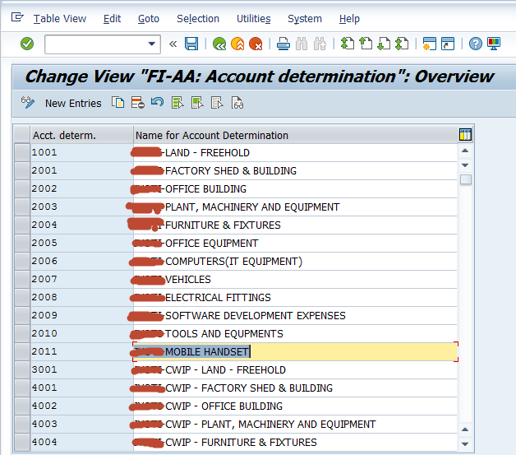
4 | Specify Account Determination | SPRO-SAP Reference IMG-Financial Accounting-Asset Accounting-Organizational Structures-Asset Classes-Specify Account Determination

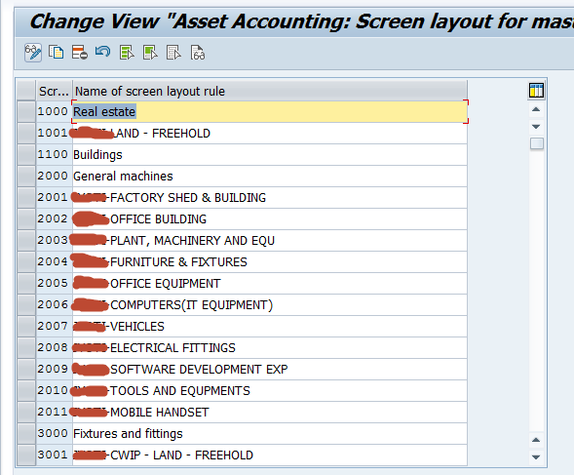
5 | Create Screen Layout Rules | SPRO-SAP Reference IMG-Financial Accounting-Asset Accounting-Organizational Structures-Asset Classes-Create Screen Layout Rules

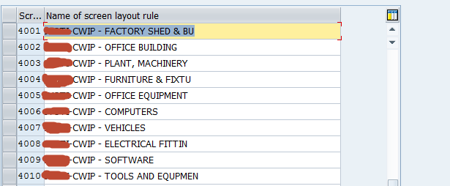

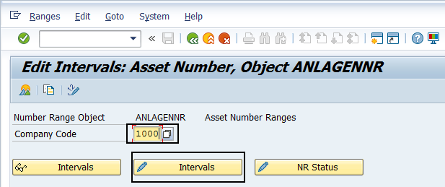
6 | Define Number Range Interval | SPRO-SAP Reference IMG-Financial Accounting-Asset Accounting-Organizational Structures-Asset Class-Define Number Range Interval

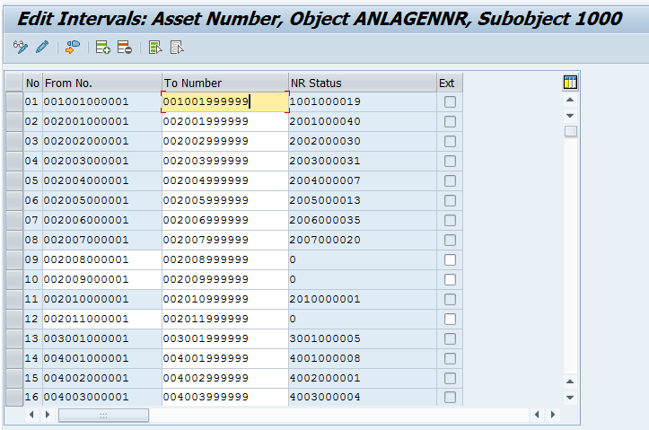

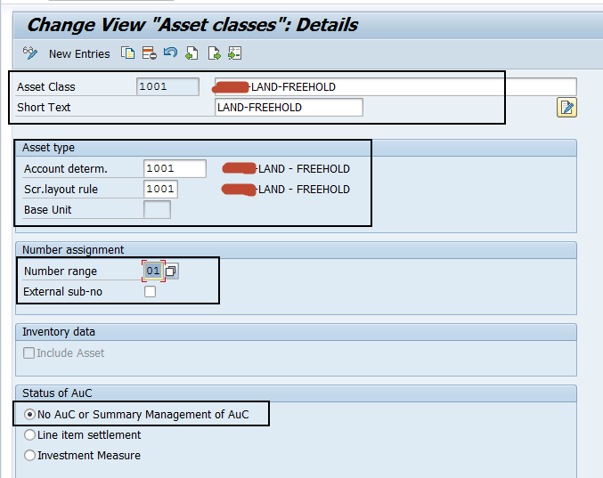
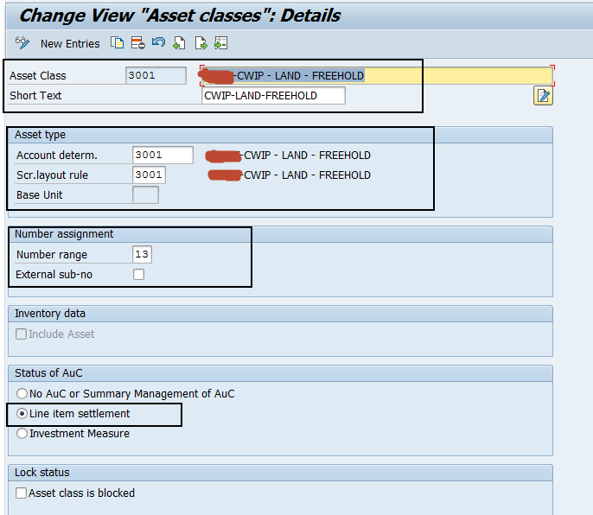
7 | Define Asset Classes | SPRO-SAP Reference IMG-Financial Accounting-Asset Accounting-Organizational Structures-Asset Class-Define Asset Classes

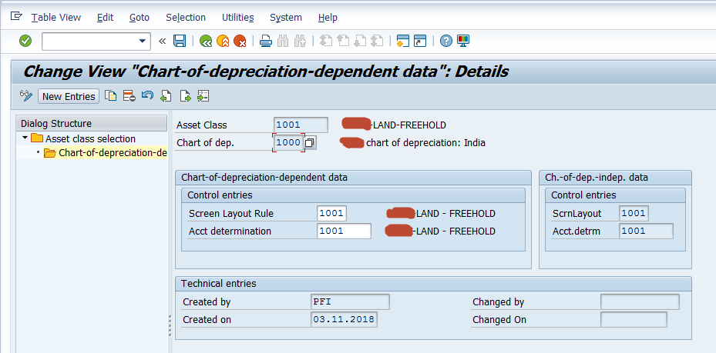
8 | Specify Chart-of-Dep.-Dependent Screen Layout/Acct Assignment | SPRO-SAP Reference IMG-Financial Accounting-Asset Accounting-Organizational Structures-Asset Class-Specify Chart-of-Dep.-Dependent Screen Layout/Acct Assignment

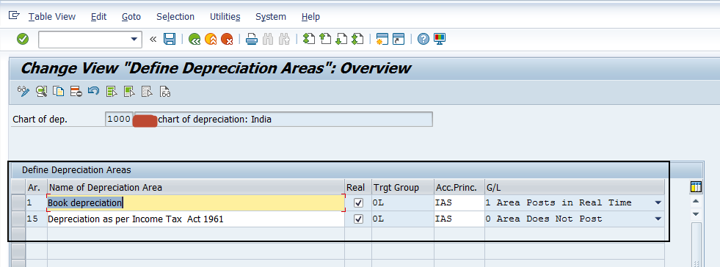
9 | Define How Depreciation Areas Post to General Ledger | SPRO-SAP Reference IMG-Financial Accounting-Asset Accounting-Integration with General Ledger Accounting-Define How Depreciation Areas Post to General Ledger

10 | Assign G/L Accounts | SPRO-SAP Reference IMG-Financial Accounting-Asset Accounting-Integration with General Ledger Accounting-Assign G/L Accounts

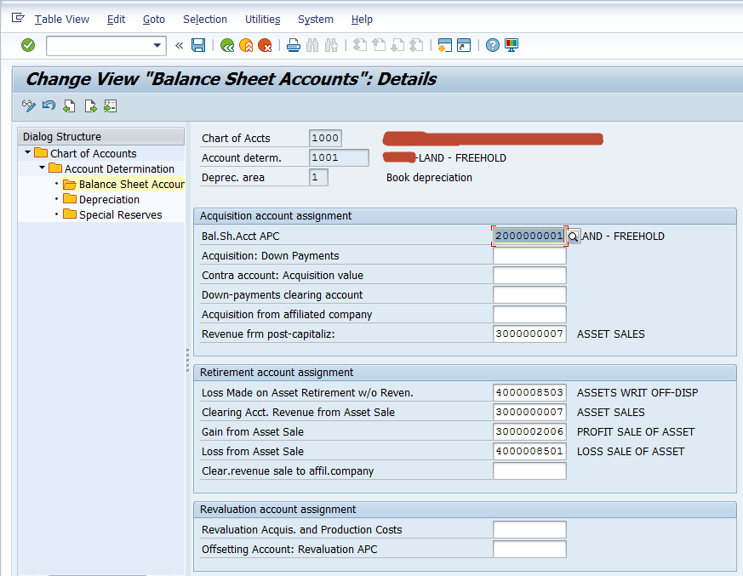

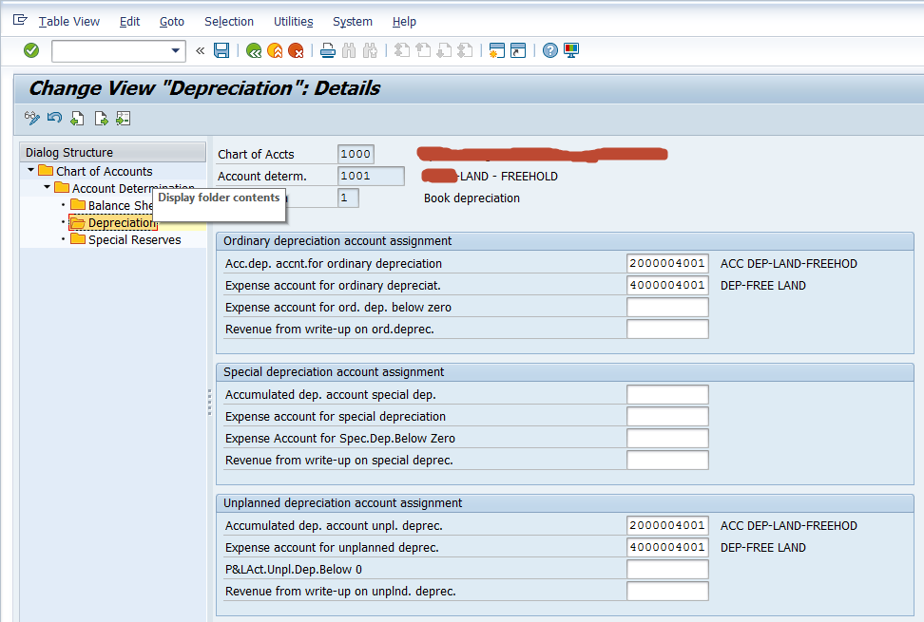

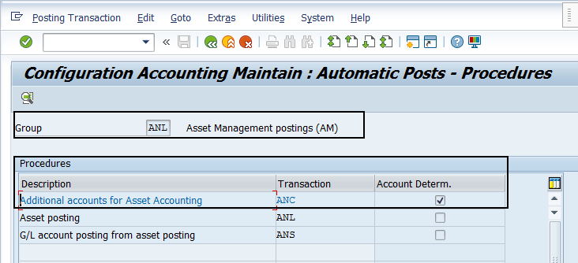
11 | Specify Posting Key for Asset Posting | SPRO-SAP Reference IMG-Financial Accounting-Asset Accounting-Integration with General Ledger Accounting-Specify Posting Key for Asset Posting

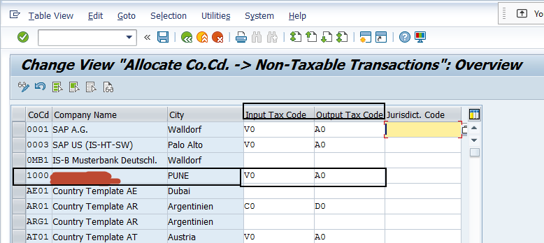
12 | Assign Input Tax Indicator for Non-Taxable Acquisitions | SPRO-SAP Reference IMG-Financial Accounting-Asset Accounting-Integration with General Ledger Accounting-Assign Input Tax Indicator for Non-Taxable Acquisitions

13 | Specify Document Type for Posting of Depreciation | SPRO-SAP Reference IMG-Financial Accounting-Asset Accounting-Integration with General Ledger Accounting-Post Depreciation to General Ledger Accounting-Specify Document Type for Posting of Depreciation

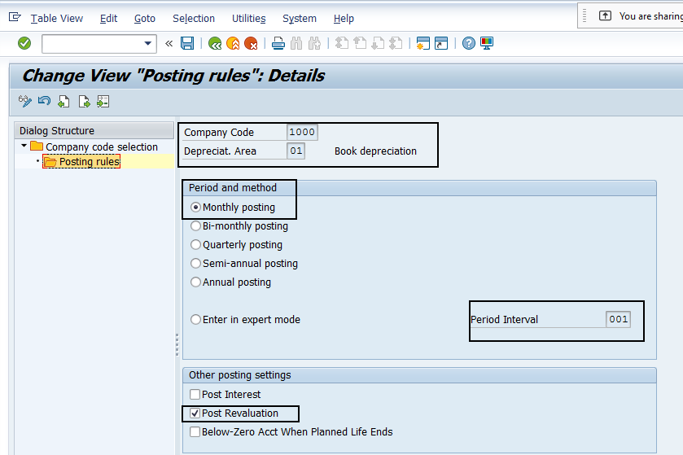
14 | Specify Intervals and Posting Rules | SPRO-SAP Reference IMG-Financial Accounting-Asset Accounting-Integration with General Ledger Accounting-Post Depreciation to General Ledger Accounting-Specify Intervals and Posting Rules

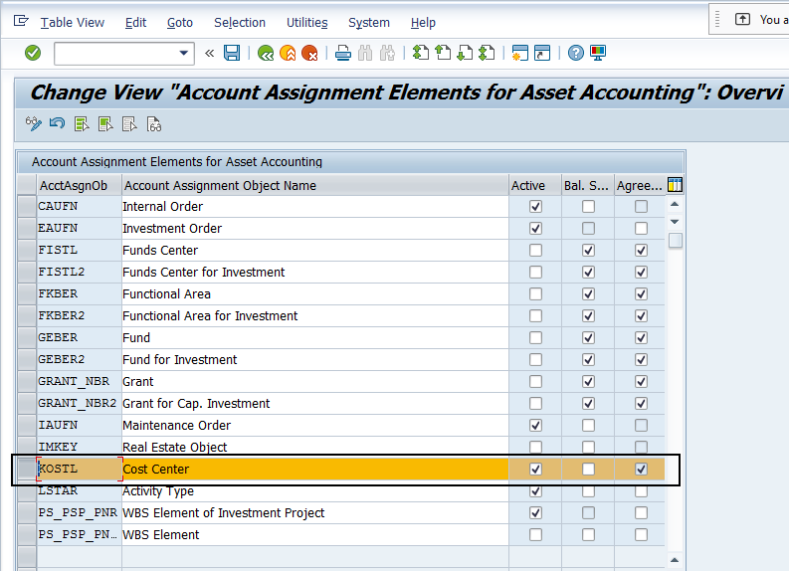
15 | Activate Account Assignment Objects | SPRO-SAP Reference IMG-Financial Accounting-Asset Accounting-Integration with General Ledger Accounting-Additional Account Assignment Objects-Activate Account Assignment Objects

16 | Specify Account Assignment Types for Account Assignment Objects | SPRO-SAP Reference IMG-Financial Accounting-Asset Accounting-Integration with General Ledger Accounting-Additional Account Assignment Objects-Specify Account Assignment Types for Account Assignment Objects

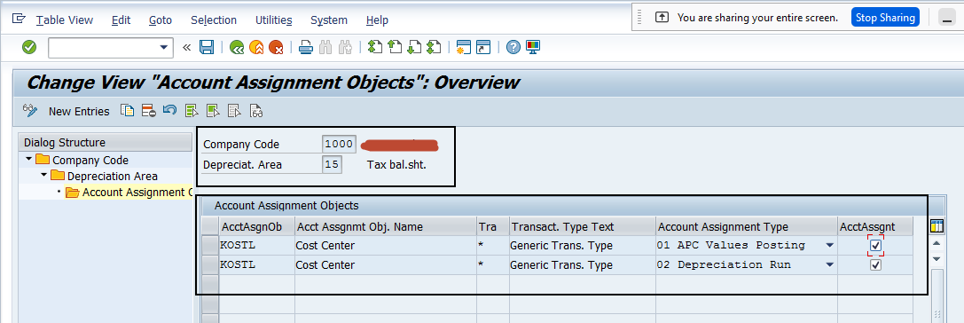

17 | Maintain Depreciation Key | SPRO-SAP Reference IMG-Financial Accounting-Asset Accounting-Depreciation-Valuation Methods-Depreciation Key-Maintain Depreciation Key

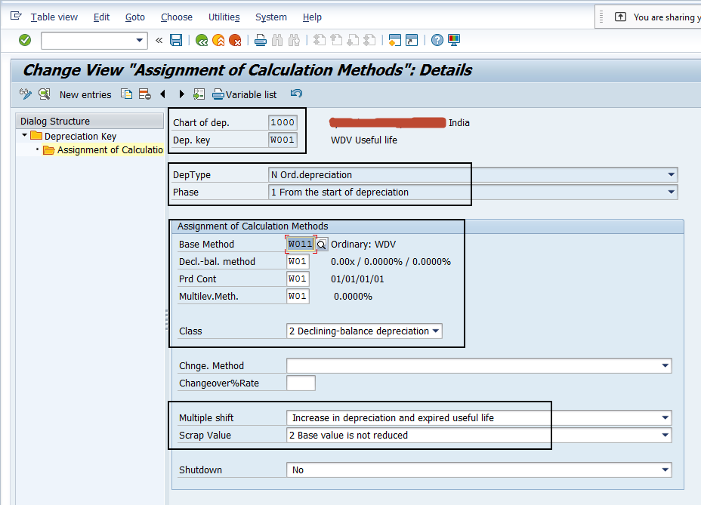
 |  | WDV Method

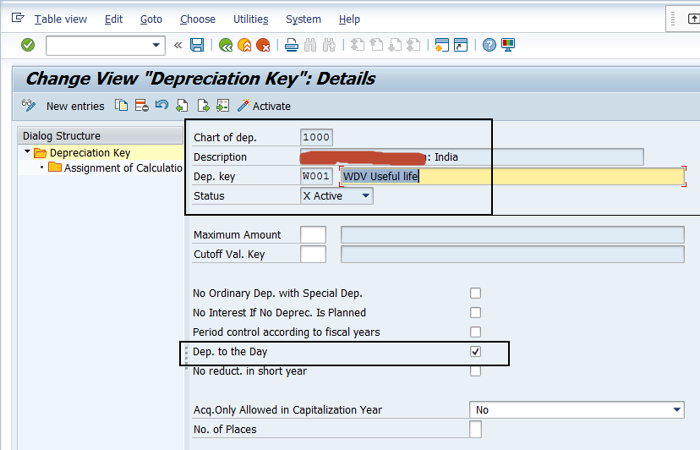
 |  | WDV Method

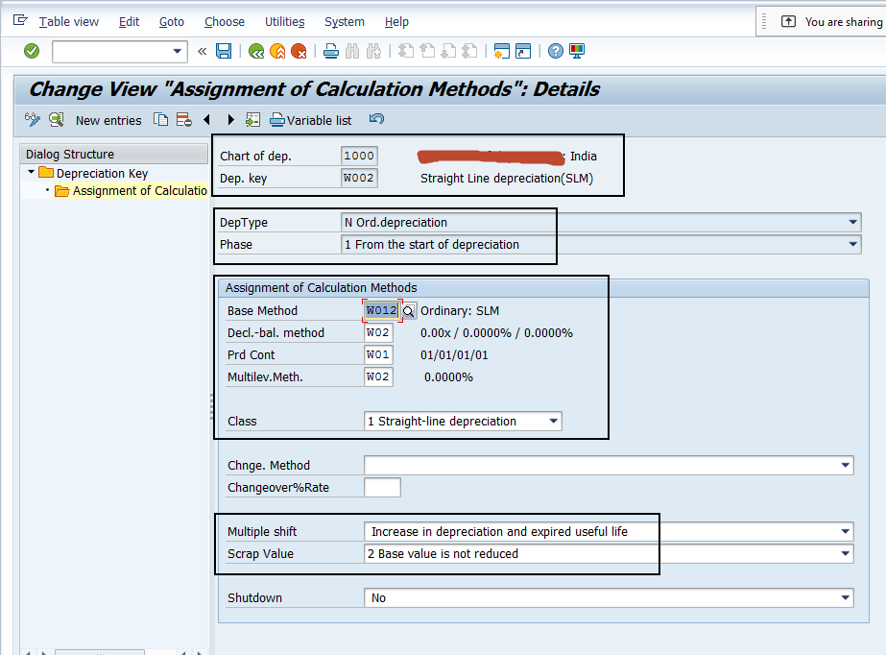
 |  | SLM Method

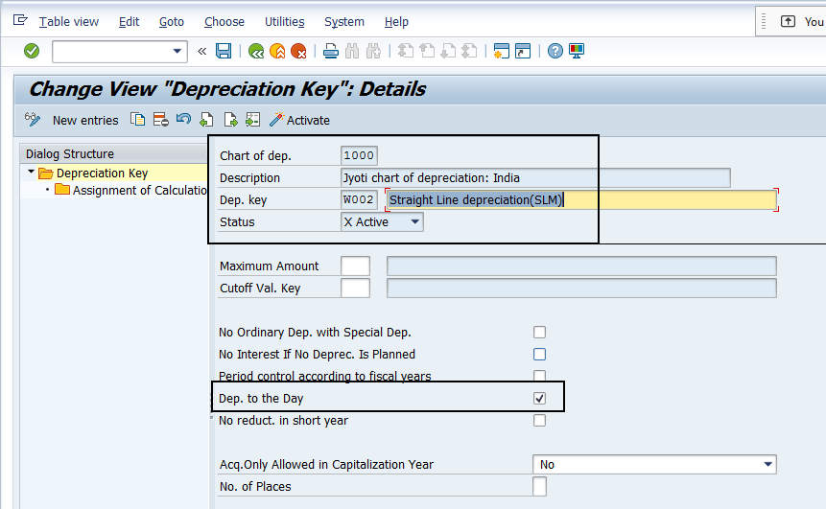
 |  | SLM Method

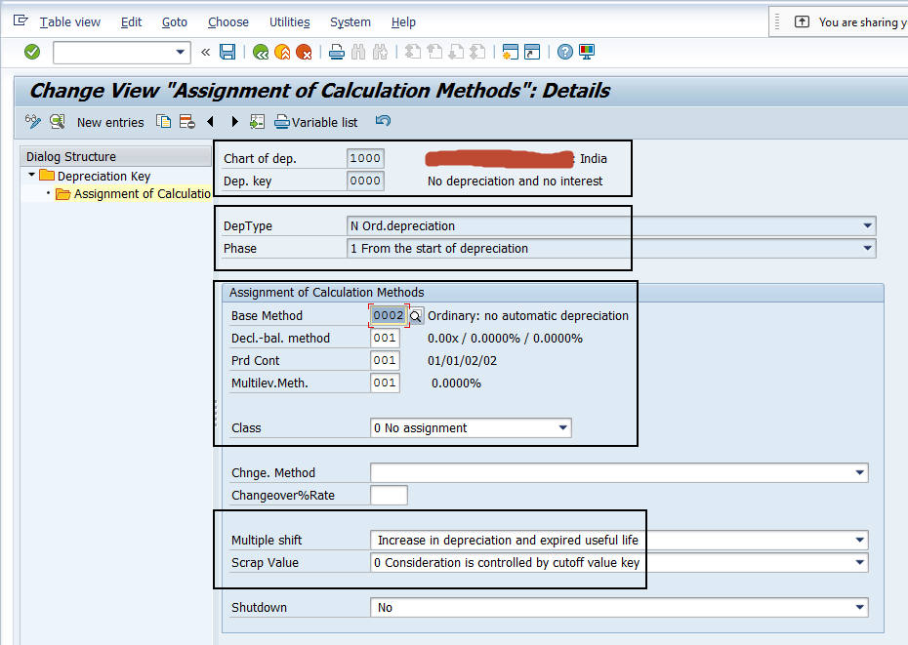
 |  | Nil Rate

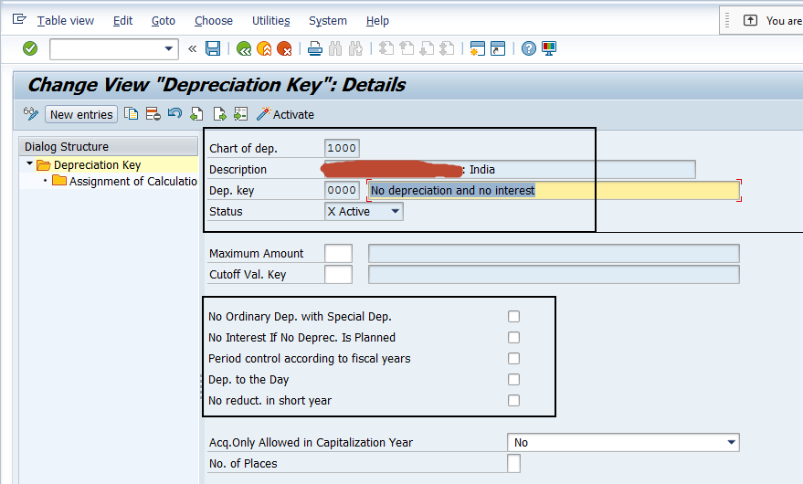

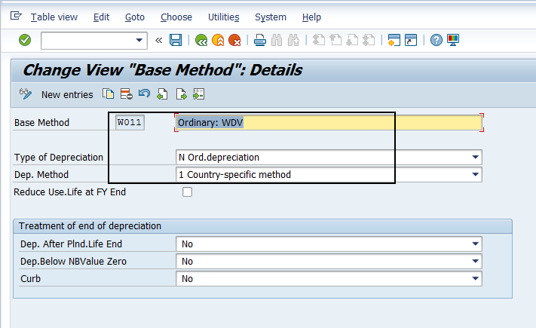
18 | Define Base Methods | SPRO-SAP Reference IMG-Financial Accounting-Asset Accounting-Depreciation-Valuation Methods-Depreciation Key-Calculation Methods-Define Base Methods

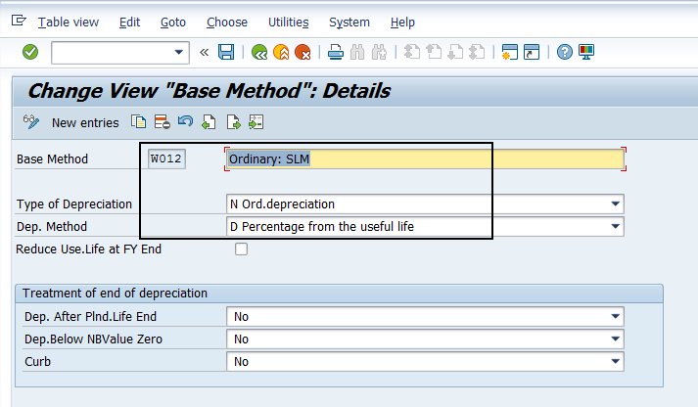

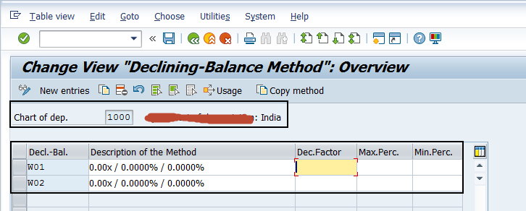
19 | Define Declining-Balance Methods | SPRO-SAP Reference IMG-Financial Accounting-Asset Accounting-Depreciation-Valuation Methods-Depreciation Key-Calculation Methods-Define Declining-Balance Methods

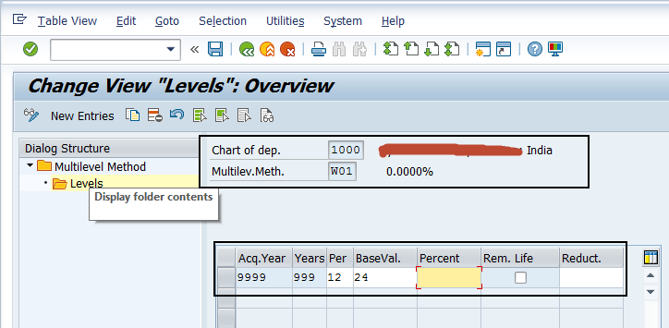
20 | Define Multi-Level Methods | SPRO-SAP Reference IMG-Financial Accounting-Asset Accounting-Depreciation-Valuation Methods-Depreciation Key-Calculation Methods-Define Multi-Level Methods

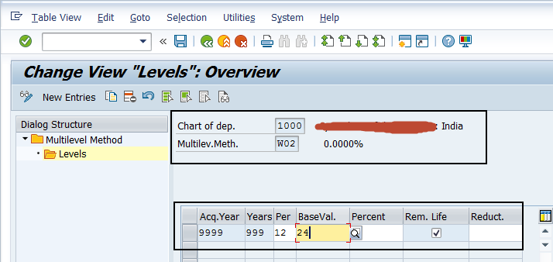

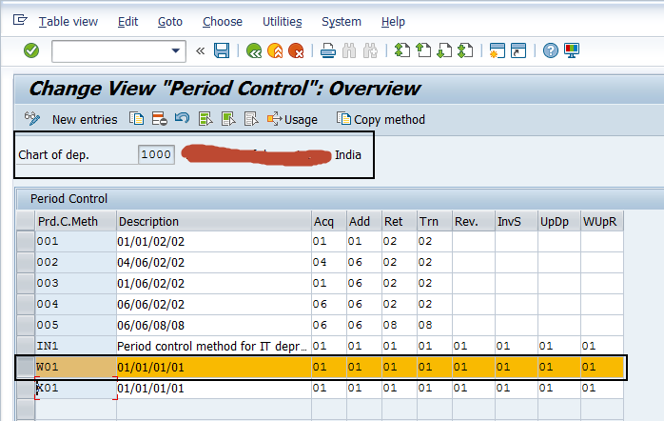
21 | Maintain Period Control Methods | SPRO-SAP Reference IMG-Financial Accounting-Asset Accounting-Depreciation-Valuation Methods-Depreciation Key-Calculation Methods-Maintain Period Control Methods

